Main Dashboard
UEFA CHAMPION LEAGUE 2021/2022

Teams
32
Players
Goalkeepers
53
Goals
370
Winner
Real Madrid

693

Dashboard
Top 5 Teams by pass completed
Top 5 Teams by Fouls committed
 | Total
Liverpool | 14
Malm | 14
Leipzig | 14
Real Madrid | 14
Villarreal | 16
Man. City | 16
Benfica | 17
Sporting CP | 17
Besiktas | 19
Club Brugge | 20
Teams with most Goals Conceded
 | 17.28%
 | 82.72%
17.28%
Bayern
 | 18.05%
 | 81.95%
18.05%
Chelsea
 | Total
Man. City | 126
Salzburg | 129
Chelsea | 134
Atlatico | 139
Liverpool | 146

Players

Goals
 | 20.65%
 | 79.35%
20.65%
Real Madrid
 | 21.50%
 | 78.50%
21.50%
Man. City
Goalkeepers

 | Total
Sporting CP | 14
Leipzig | 15
Paris | 15
Villarreal | 20
Ajax | 21
Chelsea | 21
Real Madrid | 28
Man. City | 28
Liverpool | 30
Bayern | 30
Top 10 Team with most goals
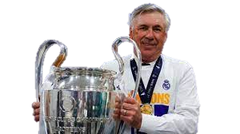
Best Coach

 | 22.52%
 | 77.48%
Liverpool
22.52%

Players Dashboard
PLAYERS

Strikers
156
Midfielders
287
Defenders
250
Players
693

Dashboard
Top 5 Players with most pass accuracy
 | Total
Mahrez | 7
Salah | 8
Haller | 11
Lewandowski | 13
Benzema | 15
Top 10 players by dribbles
 | Total
Mahrez | 28
Antony | 28
Danjuma | 31
Sane | 32
Moumi Ngamaleu | 34
Luis D­Az | 42
Mbapp | 43
Salah | 49
Coman | 59
Vinicius Junior | 83
Vinicius Junior
 | 18.4%
 | 81.6%
 | 18.7%
 | 81.3%
Players

Goals

Goalkeepers
 | 18.9%
 | 81.1%
 | 19.4%
 | 80.6%

18.9%
 | Total
Alexander-Arnold | 4
Antony | 5
Vinicius Junior | 6
Sane | 6
Bruno Fernandes | 7
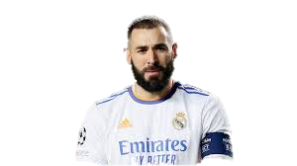
Best Players

 | 24.7%
 | 75.3%

24.7%

Goals Dashboard
GOALS

Goals
370
outside box goals
Inside box goals
332
Headers goals
Penalties
36

38
60

Dashboard
Top 5 players by Insides box goals
Top 5 players with headers goals
 | Total
Mahrez | 7
Nkunku | 7
Haller | 11
Lewandowski | 13
Benzema | 13
 | Total
Haaland | 2
Coates | 2
Benzema | 3
Haller | 3
Nkunku | 3
Players

Goals

Goalkeepers

Top 9 players with most penalties goals
Top 5 players by Outsides box goals
Higest goals scorer
 | Total
Adeyemi | 2
Reus | 2
Mahrez | 2
Jorginho | 2
Messi | 2
Dybala | 2
Rakiti | 2
Lewandowski | 3
Benzema | 3

 | Total
Benzema | 2
Kroos | 2
Messi | 2
Paulinho | 2
Ronaldo | 2
S. Thill | 2
Sane | 3

Goalkeepers Dashboard
GOALKEEPERS

Goalkeepers
53
Cleansheet
70
Goals saved
Goals Conceded
370

717

Dashboard
Top 10 goalkeepers by goals saved
 | Total
De Gea | 19
Dahlin | 19
Ersin Destanoglu | 20
Musso | 21
Oblak | 26
Mignolet | 28
Athanasiadis | 29
Vlachodimos | 38
Rulli | 41
Courtois | 61
 | Total
Ederson | 4
Alisson Becker | 4
Mendy | 5
Courtois | 5
Vlachodimos | 5

Players

Goals

Goalkeepers

 | Total
Ad¡n | 13
Ederson | 14
Alisson Becker | 14
Courtois | 14
Gul¡csi | 14
Kihn | 14
Rulli | 16
Ersin Destanoglu | 17
Vlachodimos | 17
Mignolet | 20
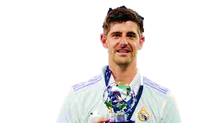
Best GoalKeeper

